Sheet1
latestcatalogues.com
Run latestCatalogues.py file -> the script will download latest images of supplier from latestcatalogues.com and convert them into PDF file in your Download/latestcatalogues folder | 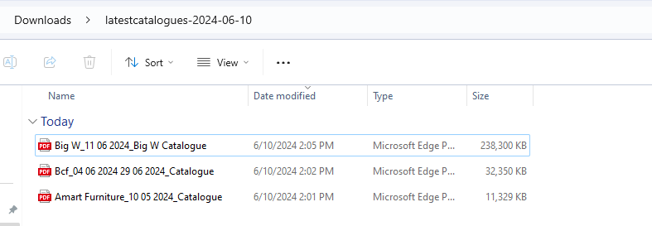

salefinder.com
Run saleFinder.py file -> the script will download latest images of supplier from salefinder.com and convert them into PDF file in your Download/salefinder folder

MODIFY
1. You can change the save location in the code: folder_path = os.path.join(os.path.expanduser("~"), "Downloads", "salefinder-" + str(current_date))

